Sheet1
 | Cross Validation | Training | Testing
Model | Accuracy mean | Accuracy | Accuracy
DT | 94% | 99% | 96%
NB | 95% | 95% | 95%
RFC | 96% | 99% | 97%
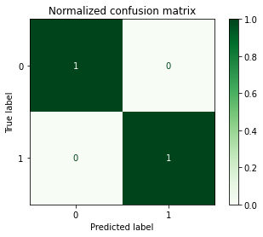
KNN | 95% | 98% | 96%
Serotype | Precision | Recall | F1 | support
H1N1 | 1.00 | 1.00 | 1.00 | 536
H2N2 | 1.00 | 1.00 | 1.00 | 27
H3N2 | 1.00 | 1.00 | 1.00 | 461
H5N1 | 0.72 | 0.53 | 0.61 | 81
Sw-H1N1 | 0.99 | 1.00 | 0.99 | 421
Sw-H3N2 | 0.99 | 0.99 | 0.99 | 547
Sw-H5N1: | 0.67 | 0.22 | 0.33 | 9
Av-H1N1 | 1.00 | 0.98 | 0.99 | 59
Av-H2N2 | 1.00 | 1.00 | 1.00 | 17.00
Av-H3N2 | 0.96 | 0.95 | 0.95 | 74
Av-H5N1 | 0.90 | 0.96 | 0.93 | 442

Accuracy |  |  | 0.97 | 2674
macro avg | 0.93 | 0.88 | 0.89 | 2674
wght avg | 0.97 | 0.97 | 0.97 | 2674

